rcg
 |  |  |  |  |  |  |  |  |  |  | 34088
Brand | PICTURE | Barcode | Description | Model | Color | Allover | Size | Composition | Gender | Made in | Availability AVI SPA | Wholesale price ITALY EUR | Retail Price ITALY EUR
Roberto Cavalli Golf | 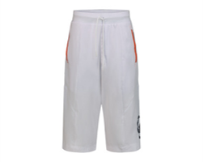 | 8059915751707 | RCG CLOTH TECHNICAL ERGONOMIC SHORTS WHITE L | TECHNICAL ERGONOMIC SHORTS | WHITE | SOLID | L | %92 POLYESTER %8 E.A | MAN | Turkey | 72 | 67.00 € | 180.00 €
Roberto Cavalli Golf |  | 8059915751691 | RCG CLOTH TECHNICAL ERGONOMIC SHORTS WHITE M | TECHNICAL ERGONOMIC SHORTS | WHITE | SOLID | M | %92 POLYESTER %8 E.A | MAN | Turkey | 50 | 67.00 € | 180.00 €
Roberto Cavalli Golf |  | 8059915751714 | RCG CLOTH TECHNICAL ERGONOMIC SHORTS WHITE XL | TECHNICAL ERGONOMIC SHORTS | WHITE | SOLID | XL | %92 POLYESTER %8 E.A | MAN | Turkey | 77 | 67.00 € | 180.00 €
Roberto Cavalli Golf |  | 8059915751721 | RCG CLOTH TECHNICAL ERGONOMIC SHORTS WHITE XXL | TECHNICAL ERGONOMIC SHORTS | WHITE | SOLID | XXL | %92 POLYESTER %8 E.A | MAN | Turkey | 48 | 67.00 € | 180.00 €
Roberto Cavalli Golf | 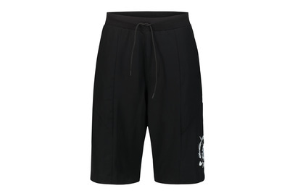 8059915751745 | 8059915751745 | RCG CLOTH TECHNICAL ERGONOMIC SHORTS BLACK L | TECHNICAL ERGONOMIC SHORTS | BLACK | SOLID | L | %92 POLYESTER %8 E.A | MAN | Turkey | 72 | 67.00 € | 180.00 €
Roberto Cavalli Golf |  | 8059915751738 | RCG CLOTH TECHNICAL ERGONOMIC SHORTS BLACK M | TECHNICAL ERGONOMIC SHORTS | BLACK | SOLID | M | %92 POLYESTER %8 E.A | MAN | Turkey | 45 | 67.00 € | 180.00 €
Roberto Cavalli Golf |  | 8059915751752 | RCG CLOTH TECHNICAL ERGONOMIC SHORTS BLACK XL | TECHNICAL ERGONOMIC SHORTS | BLACK | SOLID | XL | %92 POLYESTER %8 E.A | MAN | Turkey | 73 | 67.00 € | 180.00 €
Roberto Cavalli Golf |  | 8059915751769 | RCG CLOTH TECHNICAL ERGONOMIC SHORTS BLACK XXL | TECHNICAL ERGONOMIC SHORTS | BLACK | SOLID | XXL | %92 POLYESTER %8 E.A | MAN | Turkey | 50 | 67.00 € | 180.00 €
Roberto Cavalli Golf | 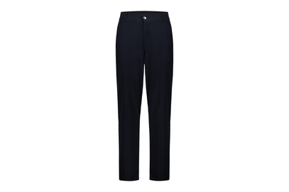 8059915751783 | 8059915751783 | RCG CLOTH PANTS LONG CHINO NAVY L | PANTS LONG CHINO | NAVY | SOLID | L | %92 POLYESTER %8 E.A | MAN | Turkey | 73 | 70.00 € | 190.00 €
Roberto Cavalli Golf |  | 8059915751776 | RCG CLOTH PANTS LONG CHINO NAVY M | PANTS LONG CHINO | NAVY | SOLID | M | %92 POLYESTER %8 E.A | MAN | Turkey | 52 | 70.00 € | 190.00 €
Roberto Cavalli Golf |  | 8059915751790 | RCG CLOTH PANTS LONG CHINO NAVY XL | PANTS LONG CHINO | NAVY | SOLID | XL | %92 POLYESTER %8 E.A | MAN | Turkey | 71 | 70.00 € | 190.00 €
Roberto Cavalli Golf |  | 8059915751806 | RCG CLOTH PANTS LONG CHINO NAVY XXL | PANTS LONG CHINO | NAVY | SOLID | XXL | %92 POLYESTER %8 E.A | MAN | Turkey | 53 | 70.00 € | 190.00 €
Roberto Cavalli Golf | 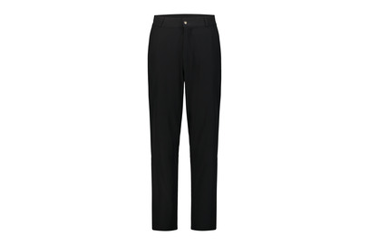 8059915751820 | 8059915751820 | RCG CLOTH PANTS LONG CHINO BLACK L | PANTS LONG CHINO | BLACK | SOLID | L | %92 POLYESTER %8 E.A | MAN | Turkey | 72 | 70.00 € | 190.00 €
Roberto Cavalli Golf |  | 8059915751813 | RCG CLOTH PANTS LONG CHINO BLACK M | PANTS LONG CHINO | BLACK | SOLID | M | %92 POLYESTER %8 E.A | MAN | Turkey | 50 | 70.00 € | 190.00 €
Roberto Cavalli Golf |  | 8059915751837 | RCG CLOTH PANTS LONG CHINO BLACK XL | PANTS LONG CHINO | BLACK | SOLID | XL | %92 POLYESTER %8 E.A | MAN | Turkey | 75 | 70.00 € | 190.00 €
Roberto Cavalli Golf |  | 8059915751844 | RCG CLOTH PANTS LONG CHINO BLACK XXL | PANTS LONG CHINO | BLACK | SOLID | XXL | %92 POLYESTER %8 E.A | MAN | Turkey | 49 | 70.00 € | 190.00 €
Roberto Cavalli Golf | 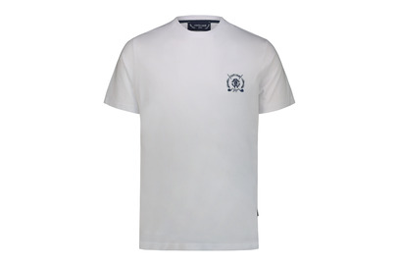 8059915751868 | 8059915751868 | RCG CLOTH T-SHIRT WHITE L | T-SHIRT | WHITE | SOLID | L | %100 COTTON | MAN | Turkey | 355 | 37.00 € | 100.00 €
Roberto Cavalli Golf |  | 8059915751851 | RCG CLOTH T-SHIRT WHITE M | T-SHIRT | WHITE | SOLID | M | %100 COTTON | MAN | Turkey | 207 | 37.00 € | 100.00 €
Roberto Cavalli Golf |  | 8059915751875 | RCG CLOTH T-SHIRT WHITE XL | T-SHIRT | WHITE | SOLID | XL | %100 COTTON | MAN | Turkey | 411 | 37.00 € | 100.00 €
Roberto Cavalli Golf |  | 8059915751882 | RCG CLOTH T-SHIRT WHITE XXL | T-SHIRT | WHITE | SOLID | XXL | %100 COTTON | MAN | Turkey | 184 | 37.00 € | 100.00 €
Roberto Cavalli Golf | 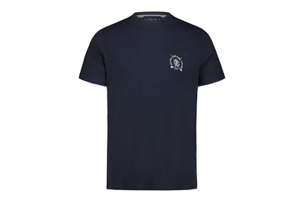 8059915751905 | 8059915751905 | RCG CLOTH T-SHIRT NAVY L | T-SHIRT | NAVY | SOLID | L | %100 COTTON | MAN | Turkey | 352 | 37.00 € | 100.00 €
Roberto Cavalli Golf |  | 8059915751899 | RCG CLOTH T-SHIRT NAVY M | T-SHIRT | NAVY | SOLID | M | %100 COTTON | MAN | Turkey | 193 | 37.00 € | 100.00 €
Roberto Cavalli Golf |  | 8059915751912 | RCG CLOTH T-SHIRT NAVY XL | T-SHIRT | NAVY | SOLID | XL | %100 COTTON | MAN | Turkey | 335 | 37.00 € | 100.00 €
Roberto Cavalli Golf |  | 8059915751929 | RCG CLOTH T-SHIRT NAVY XXL | T-SHIRT | NAVY | SOLID | XXL | %100 COTTON | MAN | Turkey | 205 | 37.00 € | 100.00 €
Roberto Cavalli Golf | 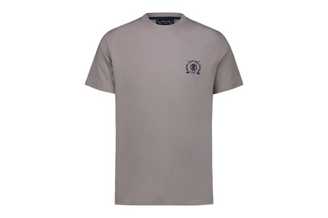 8059915751943 | 8059915751943 | RCG CLOTH T-SHIRT GREY L | T-SHIRT | GREY | SOLID | L | %100 COTTON | MAN | Turkey | 183 | 37.00 € | 100.00 €
Roberto Cavalli Golf |  | 8059915751936 | RCG CLOTH T-SHIRT GREY M | T-SHIRT | GREY | SOLID | M | %100 COTTON | MAN | Turkey | 64 | 37.00 € | 100.00 €
Roberto Cavalli Golf |  | 8059915751950 | RCG CLOTH T-SHIRT GREY XL | T-SHIRT | GREY | SOLID | XL | %100 COTTON | MAN | Turkey | 209 | 37.00 € | 100.00 €
Roberto Cavalli Golf |  | 8059915751967 | RCG CLOTH T-SHIRT GREY XXL | T-SHIRT | GREY | SOLID | XXL | %100 COTTON | MAN | Turkey | 97 | 37.00 € | 100.00 €
Roberto Cavalli Golf | 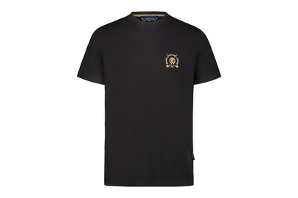 8059915751981 | 8059915751981 | RCG CLOTH T-SHIRT BLACK L | T-SHIRT | BLACK | SOLID | L | %100 COTTON | MAN | Turkey | 383 | 37.00 € | 100.00 €
Roberto Cavalli Golf |  | 8059915751974 | RCG CLOTH T-SHIRT BLACK M | T-SHIRT | BLACK | SOLID | M | %100 COTTON | MAN | Turkey | 202 | 37.00 € | 100.00 €
Roberto Cavalli Golf |  | 8059915751998 | RCG CLOTH T-SHIRT BLACK XL | T-SHIRT | BLACK | SOLID | XL | %100 COTTON | MAN | Turkey | 304 | 37.00 € | 100.00 €
Roberto Cavalli Golf |  | 8059915752001 | RCG CLOTH T-SHIRT BLACK XXL | T-SHIRT | BLACK | SOLID | XXL | %100 COTTON | MAN | Turkey | 203 | 37.00 € | 100.00 €
Roberto Cavalli Golf | 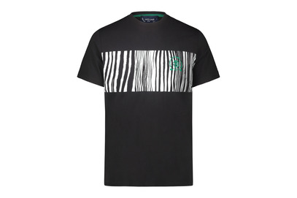 8059915752063 | 8059915752063 | RCG CLOTH T-SHIRT BLACK L | T-SHIRT | BLACK | 0 | L | %100 COTTON | MAN | Turkey | 284 | 37.00 € | 100.00 €
Roberto Cavalli Golf |  | 8059915752056 | RCG CLOTH T-SHIRT BLACK M | T-SHIRT | BLACK | 0 | M | %100 COTTON | MAN | Turkey | 108 | 37.00 € | 100.00 €
Roberto Cavalli Golf |  | 8059915752070 | RCG CLOTH T-SHIRT BLACK XL | T-SHIRT | BLACK | 0 | XL | %100 COTTON | MAN | Turkey | 259 | 37.00 € | 100.00 €
Roberto Cavalli Golf |  | 8059915752087 | RCG CLOTH T-SHIRT BLACK XXL | T-SHIRT | BLACK | 0 | XXL | %100 COTTON | MAN | Turkey | 99 | 37.00 € | 100.00 €
Roberto Cavalli Golf | 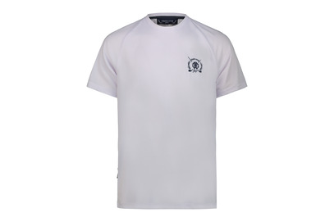 8059915752100 | 8059915752100 | RCG CLOTH ERGONOMIC T-SHIRT WHITE L | ERGONOMIC T-SHIRT | WHITE | SOLID | L | %100 POLYESTER | MAN | Turkey | 322 | 43.00 € | 115.00 €
Roberto Cavalli Golf |  | 8059915752094 | RCG CLOTH ERGONOMIC T-SHIRT WHITE M | ERGONOMIC T-SHIRT | WHITE | SOLID | M | %100 POLYESTER | MAN | Turkey | 174 | 43.00 € | 115.00 €
Roberto Cavalli Golf |  | 8059915752117 | RCG CLOTH ERGONOMIC T-SHIRT WHITE XL | ERGONOMIC T-SHIRT | WHITE | SOLID | XL | %100 POLYESTER | MAN | Turkey | 324 | 43.00 € | 115.00 €
Roberto Cavalli Golf |  | 8059915752124 | RCG CLOTH ERGONOMIC T-SHIRT WHITE XXL | ERGONOMIC T-SHIRT | WHITE | SOLID | XXL | %100 POLYESTER | MAN | Turkey | 175 | 43.00 € | 115.00 €
Roberto Cavalli Golf | 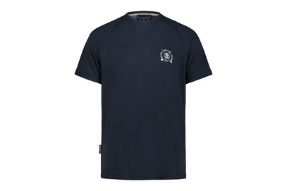 8059915752148 | 8059915752148 | RCG CLOTH ERGONOMIC T-SHIRT NAVY L | ERGONOMIC T-SHIRT | NAVY | SOLID | L | %100 POLYESTER | MAN | Turkey | 248 | 43.00 € | 115.00 €
Roberto Cavalli Golf |  | 8059915752131 | RCG CLOTH ERGONOMIC T-SHIRT NAVY M | ERGONOMIC T-SHIRT | NAVY | SOLID | M | %100 POLYESTER | MAN | Turkey | 125 | 43.00 € | 115.00 €
Roberto Cavalli Golf |  | 8059915752155 | RCG CLOTH ERGONOMIC T-SHIRT NAVY XL | ERGONOMIC T-SHIRT | NAVY | SOLID | XL | %100 POLYESTER | MAN | Turkey | 249 | 43.00 € | 115.00 €
Roberto Cavalli Golf |  | 8059915752162 | RCG CLOTH ERGONOMIC T-SHIRT NAVY XXL | ERGONOMIC T-SHIRT | NAVY | SOLID | XXL | %100 POLYESTER | MAN | Turkey | 125 | 43.00 € | 115.00 €
Roberto Cavalli Golf | 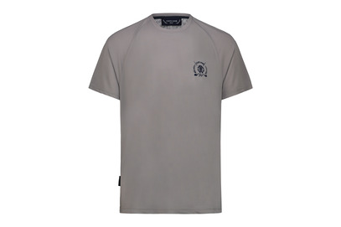 8059915752186 | 8059915752186 | RCG CLOTH ERGONOMIC T-SHIRT GREY L | ERGONOMIC T-SHIRT | GREY | SOLID | L | %100 POLYESTER | MAN | Turkey | 230 | 43.00 € | 115.00 €
Roberto Cavalli Golf |  | 8059915752179 | RCG CLOTH ERGONOMIC T-SHIRT GREY M | ERGONOMIC T-SHIRT | GREY | SOLID | M | %100 POLYESTER | MAN | Turkey | 124 | 43.00 € | 115.00 €
Roberto Cavalli Golf |  | 8059915752193 | RCG CLOTH ERGONOMIC T-SHIRT GREY XL | ERGONOMIC T-SHIRT | GREY | SOLID | XL | %100 POLYESTER | MAN | Turkey | 265 | 43.00 € | 115.00 €
Roberto Cavalli Golf |  | 8059915752209 | RCG CLOTH ERGONOMIC T-SHIRT GREY XXL | ERGONOMIC T-SHIRT | GREY | SOLID | XXL | %100 POLYESTER | MAN | Turkey | 122 | 43.00 € | 115.00 €
Roberto Cavalli Golf | 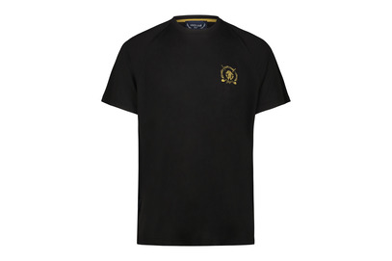 8059915752223 | 8059915752223 | RCG CLOTH ERGONOMIC T-SHIRT BLACK L | ERGONOMIC T-SHIRT | BLACK | SOLID | L | %100 POLYESTER | MAN | Turkey | 323 | 43.00 € | 115.00 €
Roberto Cavalli Golf |  | 8059915752216 | RCG CLOTH ERGONOMIC T-SHIRT BLACK M | ERGONOMIC T-SHIRT | BLACK | SOLID | M | %100 POLYESTER | MAN | Turkey | 175 | 43.00 € | 115.00 €
Roberto Cavalli Golf |  | 8059915752230 | RCG CLOTH ERGONOMIC T-SHIRT BLACK XL | ERGONOMIC T-SHIRT | BLACK | SOLID | XL | %100 POLYESTER | MAN | Turkey | 325 | 43.00 € | 115.00 €
Roberto Cavalli Golf |  | 8059915752247 | RCG CLOTH ERGONOMIC T-SHIRT BLACK XXL | ERGONOMIC T-SHIRT | BLACK/GOLD | SOLID | XXL | %100 POLYESTER | MAN | Turkey | 174 | 43.00 € | 115.00 €
Roberto Cavalli Golf | 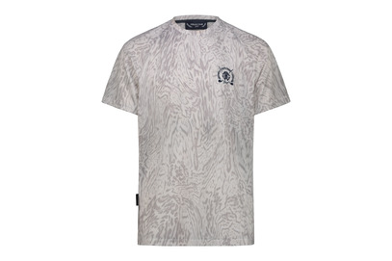 8059915752261 | 8059915752261 | RCG CLOTH ERGONOMIC T-SHIRT GREY L | ERGONOMIC T-SHIRT | GREY | ALLOVER | L | %100 POLYESTER | MAN | Turkey | 250 | 48.00 € | 130.00 €
Roberto Cavalli Golf |  | 8059915752254 | RCG CLOTH ERGONOMIC T-SHIRT GREY M | ERGONOMIC T-SHIRT | GREY | ALLOVER | M | %100 POLYESTER | MAN | Turkey | 123 | 48.00 € | 130.00 €
Roberto Cavalli Golf |  | 8059915752278 | RCG CLOTH ERGONOMIC T-SHIRT GREY XL | ERGONOMIC T-SHIRT | GREY | ALLOVER | XL | %100 POLYESTER | MAN | Turkey | 249 | 48.00 € | 130.00 €
Roberto Cavalli Golf |  | 8059915752285 | RCG CLOTH ERGONOMIC T-SHIRT GREY XXL | ERGONOMIC T-SHIRT | GREY | ALLOVER | XXL | %100 POLYESTER | MAN | Turkey | 125 | 48.00 € | 130.00 €
Roberto Cavalli Golf | 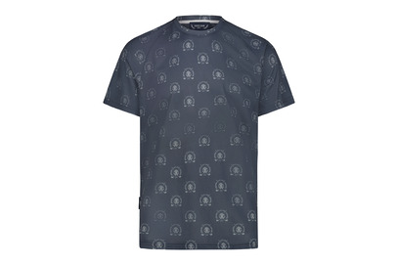 8059915752308 | 8059915752308 | RCG CLOTH ERGONOMIC T-SHIRT NAVY L | ERGONOMIC T-SHIRT | NAVY | ALLOVER | L | %100 POLYESTER | MAN | Turkey | 236 | 48.00 € | 130.00 €
Roberto Cavalli Golf |  | 8059915752292 | RCG CLOTH ERGONOMIC T-SHIRT NAVY M | ERGONOMIC T-SHIRT | NAVY | ALLOVER | M | %100 POLYESTER | MAN | Turkey | 120 | 48.00 € | 130.00 €
Roberto Cavalli Golf |  | 8059915752315 | RCG CLOTH ERGONOMIC T-SHIRT NAVY XL | ERGONOMIC T-SHIRT | NAVY | ALLOVER | XL | %100 POLYESTER | MAN | Turkey | 239 | 48.00 € | 130.00 €
Roberto Cavalli Golf |  | 8059915752322 | RCG CLOTH ERGONOMIC T-SHIRT NAVY XXL | ERGONOMIC T-SHIRT | NAVY | ALLOVER | XXL | %100 POLYESTER | MAN | Turkey | 109 | 48.00 € | 130.00 €
Roberto Cavalli Golf | 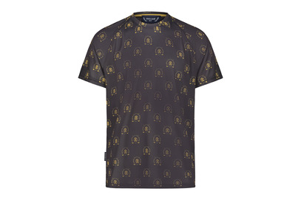 8059915752346 | 8059915752346 | RCG CLOTH ERGONOMIC T-SHIRT BLACK/GOLD L | ERGONOMIC T-SHIRT | BLACK/GOLD | ALLOVER | L | %100 POLYESTER | MAN | Turkey | 248 | 48.00 € | 130.00 €
Roberto Cavalli Golf |  | 8059915752339 | RCG CLOTH ERGONOMIC T-SHIRT BLACK/GOLD M | ERGONOMIC T-SHIRT | BLACK/GOLD | ALLOVER | M | %100 POLYESTER | MAN | Turkey | 125 | 48.00 € | 130.00 €
Roberto Cavalli Golf |  | 8059915752353 | RCG CLOTH ERGONOMIC T-SHIRT BLACK/GOLD XL | ERGONOMIC T-SHIRT | BLACK/GOLD | ALLOVER | XL | %100 POLYESTER | MAN | Turkey | 249 | 48.00 € | 130.00 €
Roberto Cavalli Golf |  | 8059915752360 | RCG CLOTH ERGONOMIC T-SHIRT BLACK/GOLD XXL | ERGONOMIC T-SHIRT | BLACK/GOLD | ALLOVER | XXL | %100 POLYESTER | MAN | Turkey | 125 | 48.00 € | 130.00 €
Roberto Cavalli Golf | 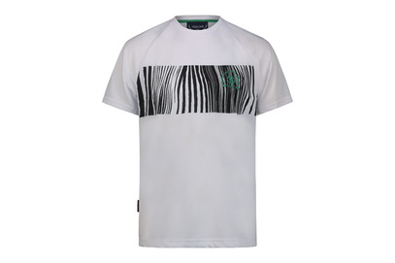 8059915752384 | 8059915752384 | RCG CLOTH ERGONOMIC T-SHIRT WHITE L | ERGONOMIC T-SHIRT | WHITE | ALLOVER | L | %100 POLYESTER | MAN | Turkey | 247 | 48.00 € | 130.00 €
Roberto Cavalli Golf |  | 8059915752377 | RCG CLOTH ERGONOMIC T-SHIRT WHITE M | ERGONOMIC T-SHIRT | WHITE | ALLOVER | M | %100 POLYESTER | MAN | Turkey | 120 | 48.00 € | 130.00 €
Roberto Cavalli Golf |  | 8059915752391 | RCG CLOTH ERGONOMIC T-SHIRT WHITE XL | ERGONOMIC T-SHIRT | WHITE | ALLOVER | XL | %100 POLYESTER | MAN | Turkey | 256 | 48.00 € | 130.00 €
Roberto Cavalli Golf |  | 8059915752407 | RCG CLOTH ERGONOMIC T-SHIRT WHITE XXL | ERGONOMIC T-SHIRT | WHITE | ALLOVER | XXL | %100 POLYESTER | MAN | Turkey | 123 | 48.00 € | 130.00 €
Roberto Cavalli Golf | 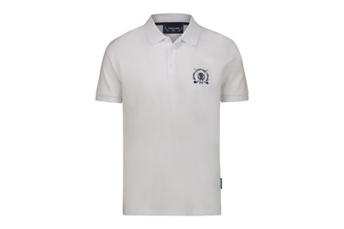 8059915752421 | 8059915752421 | RCG CLOTH POLO WHITE L | POLO | WHITE | SOLID | L | %100 COTTON | MAN | Turkey | 286 | 54.00 € | 145.00 €
Roberto Cavalli Golf |  | 8059915752414 | RCG CLOTH POLO WHITE M | POLO | WHITE | SOLID | M | %100 COTTON | MAN | Turkey | 135 | 54.00 € | 145.00 €
Roberto Cavalli Golf |  | 8059915752438 | RCG CLOTH POLO WHITE XL | POLO | WHITE | SOLID | XL | %100 COTTON | MAN | Turkey | 257 | 54.00 € | 145.00 €
Roberto Cavalli Golf |  | 8059915752445 | RCG CLOTH POLO WHITE XXL | POLO | WHITE | SOLID | XXL | %100 COTTON | MAN | Turkey | 157 | 54.00 € | 145.00 €
Roberto Cavalli Golf | 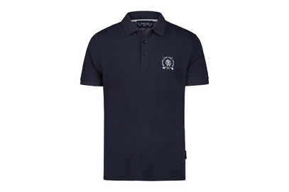 8059915752469 | 8059915752469 | RCG CLOTH POLO NAVY L | POLO | NAVY | SOLID | L | %100 COTTON | MAN | Turkey | 189 | 54.00 € | 145.00 €
Roberto Cavalli Golf |  | 8059915752452 | RCG CLOTH POLO NAVY M | POLO | NAVY | SOLID | M | %100 COTTON | MAN | Turkey | 76 | 54.00 € | 145.00 €
Roberto Cavalli Golf |  | 8059915752476 | RCG CLOTH POLO NAVY XL | POLO | NAVY | SOLID | XL | %100 COTTON | MAN | Turkey | 175 | 54.00 € | 145.00 €
Roberto Cavalli Golf |  | 8059915752483 | RCG CLOTH POLO NAVY XXL | POLO | NAVY | SOLID | XXL | %100 COTTON | MAN | Turkey | 65 | 54.00 € | 145.00 €
Roberto Cavalli Golf | 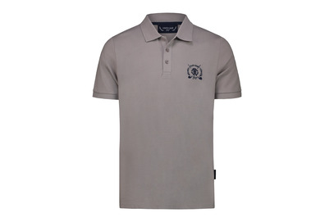 8059915752506 | 8059915752506 | RCG CLOTH POLO GREY L | POLO | GREY | SOLID | L | %100 COTTON | MAN | Turkey | 154 | 54.00 € | 145.00 €
Roberto Cavalli Golf |  | 8059915752490 | RCG CLOTH POLO GREY M | POLO | GREY | SOLID | M | %100 COTTON | MAN | Turkey | 77 | 54.00 € | 145.00 €
Roberto Cavalli Golf |  | 8059915752513 | RCG CLOTH POLO GREY XL | POLO | GREY | SOLID | XL | %100 COTTON | MAN | Turkey | 169 | 54.00 € | 145.00 €
Roberto Cavalli Golf |  | 8059915752520 | RCG CLOTH POLO GREY XXL | POLO | GREY | SOLID | XXL | %100 COTTON | MAN | Turkey | 82 | 54.00 € | 145.00 €
Roberto Cavalli Golf | 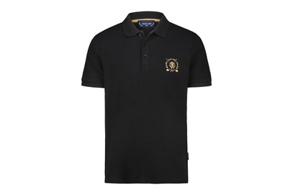 8059915752544 | 8059915752544 | RCG CLOTH POLO BLACK L | POLO | BLACK | SOLID | L | %100 COTTON | MAN | Turkey | 248 | 54.00 € | 145.00 €
Roberto Cavalli Golf |  | 8059915752537 | RCG CLOTH POLO BLACK M | POLO | BLACK | SOLID | M | %100 COTTON | MAN | Turkey | 111 | 54.00 € | 145.00 €
Roberto Cavalli Golf |  | 8059915752551 | RCG CLOTH POLO BLACK XL | POLO | BLACK | SOLID | XL | %100 COTTON | MAN | Turkey | 230 | 54.00 € | 145.00 €
Roberto Cavalli Golf |  | 8059915752568 | RCG CLOTH POLO BLACK XXL | POLO | BLACK | SOLID | XXL | %100 COTTON | MAN | Turkey | 104 | 54.00 € | 145.00 €
Roberto Cavalli Golf | 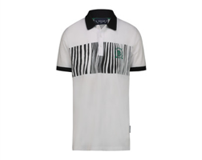 | 8059915752582 | RCG CLOTH POLO WHITE L | POLO | WHITE | ALLOVER | L | %100 COTTON | MAN | Turkey | 227 | 56.00 € | 150.00 €
Roberto Cavalli Golf |  | 8059915752575 | RCG CLOTH POLO WHITE M | POLO | WHITE | ALLOVER | M | %100 COTTON | MAN | Turkey | 114 | 56.00 € | 150.00 €
Roberto Cavalli Golf |  | 8059915752599 | RCG CLOTH POLO WHITE XL | POLO | WHITE | ALLOVER | XL | %100 COTTON | MAN | Turkey | 231 | 56.00 € | 150.00 €
Roberto Cavalli Golf |  | 8059915752605 | RCG CLOTH POLO WHITE XXL | POLO | WHITE | ALLOVER | XXL | %100 COTTON | MAN | Turkey | 119 | 56.00 € | 150.00 €
Roberto Cavalli Golf | 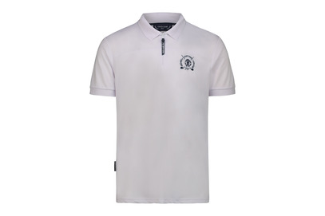 8059915752704 | 8059915752704 | RCG CLOTH ERGONOMIC POLO WHITE L | ERGONOMIC POLO | WHITE | SOLID | L | %100 POLYESTER | MAN | Turkey | 348 | 56.00 € | 150.00 €
Roberto Cavalli Golf |  | 8059915752698 | RCG CLOTH ERGONOMIC POLO WHITE M | ERGONOMIC POLO | WHITE | SOLID | M | %100 POLYESTER | MAN | Turkey | 170 | 56.00 € | 150.00 €
Roberto Cavalli Golf |  | 8059915752711 | RCG CLOTH ERGONOMIC POLO WHITE XL | ERGONOMIC POLO | WHITE | SOLID | XL | %100 POLYESTER | MAN | Turkey | 363 | 56.00 € | 150.00 €
Roberto Cavalli Golf |  | 8059915752728 | RCG CLOTH ERGONOMIC POLO WHITE XXL | ERGONOMIC POLO | WHITE | SOLID | XXL | %100 POLYESTER | MAN | Turkey | 159 | 56.00 € | 150.00 €
Roberto Cavalli Golf | 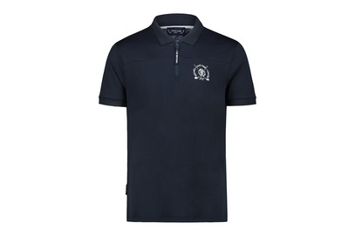 8059915752742 | 8059915752742 | RCG CLOTH ERGONOMIC POLO NAVY L | ERGONOMIC POLO | NAVY | SOLID | L | %100 POLYESTER | MAN | Turkey | 113 | 56.00 € | 150.00 €
Roberto Cavalli Golf |  | 8059915752735 | RCG CLOTH ERGONOMIC POLO NAVY M | ERGONOMIC POLO | NAVY | SOLID | M | %100 POLYESTER | MAN | Turkey | 39 | 56.00 € | 150.00 €
Roberto Cavalli Golf |  | 8059915752759 | RCG CLOTH ERGONOMIC POLO NAVY XL | ERGONOMIC POLO | NAVY | SOLID | XL | %100 POLYESTER | MAN | Turkey | 112 | 56.00 € | 150.00 €
Roberto Cavalli Golf |  | 8059915752766 | RCG CLOTH ERGONOMIC POLO NAVY XXL | ERGONOMIC POLO | NAVY | SOLID | XXL | %100 POLYESTER | MAN | Turkey | 47 | 56.00 € | 150.00 €
Roberto Cavalli Golf | 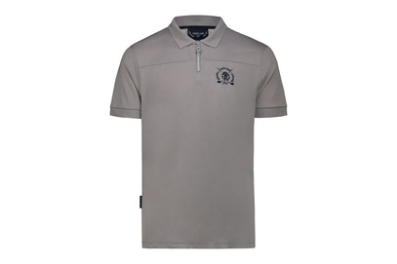 8059915752780 | 8059915752780 | RCG CLOTH ERGONOMIC POLO GREY L | ERGONOMIC POLO | GREY | SOLID | L | %100 POLYESTER | MAN | Turkey | 81 | 56.00 € | 150.00 €
Roberto Cavalli Golf |  | 8059915752773 | RCG CLOTH ERGONOMIC POLO GREY M | ERGONOMIC POLO | GREY | SOLID | M | %100 POLYESTER | MAN | Turkey | 53 | 56.00 € | 150.00 €
Roberto Cavalli Golf |  | 8059915752797 | RCG CLOTH ERGONOMIC POLO GREY XL | ERGONOMIC POLO | GREY | SOLID | XL | %100 POLYESTER | MAN | Turkey | 85 | 56.00 € | 150.00 €
Roberto Cavalli Golf |  | 8059915752803 | RCG CLOTH ERGONOMIC POLO GREY XXL | ERGONOMIC POLO | GREY | SOLID | XXL | %100 POLYESTER | MAN | Turkey | 60 | 56.00 € | 150.00 €
Roberto Cavalli Golf | 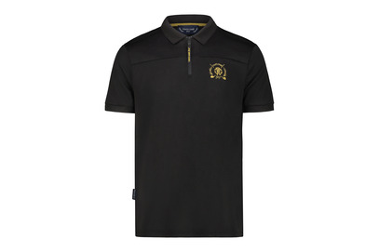 8059915752827 | 8059915752827 | RCG CLOTH ERGONOMIC POLO BLACK L | ERGONOMIC POLO | BLACK | SOLID | L | %100 POLYESTER | MAN | Turkey | 200 | 56.00 € | 150.00 €
Roberto Cavalli Golf |  | 8059915752810 | RCG CLOTH ERGONOMIC POLO BLACK M | ERGONOMIC POLO | BLACK | SOLID | M | %100 POLYESTER | MAN | Turkey | 121 | 56.00 € | 150.00 €
Roberto Cavalli Golf |  | 8059915752834 | RCG CLOTH ERGONOMIC POLO BLACK XL | ERGONOMIC POLO | BLACK | SOLID | XL | %100 POLYESTER | MAN | Turkey | 185 | 56.00 € | 150.00 €
Roberto Cavalli Golf |  | 8059915752841 | RCG CLOTH ERGONOMIC POLO BLACK XXL | ERGONOMIC POLO | BLACK | SOLID | XXL | %100 POLYESTER | MAN | Turkey | 119 | 56.00 € | 150.00 €
Roberto Cavalli Golf | 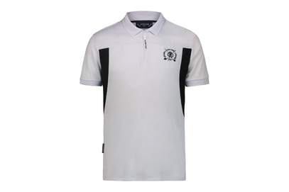 8059915754425 | 8059915754425 | RCG CLOTH ERGONOMIC POLO WHITE/BLACK L | ERGONOMIC POLO | WHITE | SOLID | L | %100 POLYESTER | MAN | Turkey | 228 | 56.00 € | 150.00 €
Roberto Cavalli Golf |  | 8059915754418 | RCG CLOTH ERGONOMIC POLO WHITE/BLACK M | ERGONOMIC POLO | WHITE | SOLID | M | %100 POLYESTER | MAN | Turkey | 119 | 56.00 € | 150.00 €
Roberto Cavalli Golf |  | 8059915754432 | RCG CLOTH ERGONOMIC POLO WHITE/BLACK XL | ERGONOMIC POLO | WHITE | SOLID | XL | %100 POLYESTER | MAN | Turkey | 224 | 56.00 € | 150.00 €
Roberto Cavalli Golf |  | 8059915754449 | RCG CLOTH ERGONOMIC POLO WHITE/BLACK XXL | ERGONOMIC POLO | WHITE | SOLID | XXL | %100 POLYESTER | MAN | Turkey | 121 | 56.00 € | 150.00 €
Roberto Cavalli Golf | 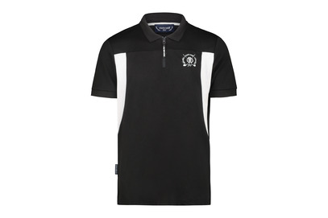 8059915754463 | 8059915754463 | RCG CLOTH ERGONOMIC POLO BLACK/WHITE L | ERGONOMIC POLO | WHITE | SOLID | L | %100 POLYESTER | MAN | Turkey | 211 | 56.00 € | 150.00 €
Roberto Cavalli Golf |  | 8059915754456 | RCG CLOTH ERGONOMIC POLO BLACK/WHITE M | ERGONOMIC POLO | WHITE | SOLID | M | %100 POLYESTER | MAN | Turkey | 111 | 56.00 € | 150.00 €
Roberto Cavalli Golf |  | 8059915754470 | RCG CLOTH ERGONOMIC POLO BLACK/WHITE XL | ERGONOMIC POLO | WHITE | SOLID | XL | %100 POLYESTER | MAN | Turkey | 228 | 56.00 € | 150.00 €
Roberto Cavalli Golf |  | 8059915754487 | RCG CLOTH ERGONOMIC POLO BLACK/WHITE XXL | ERGONOMIC POLO | WHITE | SOLID | XXL | %100 POLYESTER | MAN | Turkey | 108 | 56.00 € | 150.00 €
Roberto Cavalli Golf | 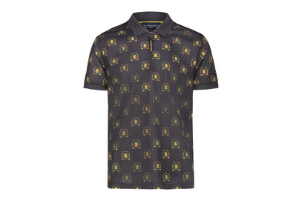 8059915752865 | 8059915752865 | RCG CLOTH ERGONOMIC POLO BLACK/GOLD L | ERGONOMIC POLO | BLACK/GOLD | ALLOVER | L | %100 POLYESTER | MAN | Turkey | 126 | 62.00 € | 165.00 €
Roberto Cavalli Golf |  | 8059915752858 | RCG CLOTH ERGONOMIC POLO BLACK/GOLD M | ERGONOMIC POLO | BLACK/GOLD | ALLOVER | M | %100 POLYESTER | MAN | Turkey | 94 | 62+O116:O271 | 165.00 €
Roberto Cavalli Golf |  | 8059915752872 | RCG CLOTH ERGONOMIC POLO BLACK/GOLD XL | ERGONOMIC POLO | BLACK/GOLD | ALLOVER | XL | %100 POLYESTER | MAN | Turkey | 133 | 62.00 € | 165.00 €
Roberto Cavalli Golf |  | 8059915752889 | RCG CLOTH ERGONOMIC POLO BLACK/GOLD XXL | ERGONOMIC POLO | BLACK/GOLD | ALLOVER | XXL | %100 POLYESTER | MAN | Turkey | 85 | 62.00 € | 165.00 €
Roberto Cavalli Golf | 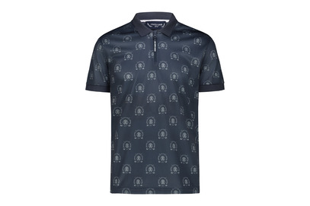 8059915752902 | 8059915752902 | RCG CLOTH ERGONOMIC POLO NAVY L | ERGONOMIC POLO | NAVY | ALLOVER | L | %100 POLYESTER | MAN | Turkey | 119 | 62.00 € | 165.00 €
Roberto Cavalli Golf |  | 8059915752896 | RCG CLOTH ERGONOMIC POLO NAVY M | ERGONOMIC POLO | NAVY | ALLOVER | M | %100 POLYESTER | MAN | Turkey | 100 | 62.00 € | 165.00 €
Roberto Cavalli Golf |  | 8059915752919 | RCG CLOTH ERGONOMIC POLO NAVY XL | ERGONOMIC POLO | NAVY | ALLOVER | XL | %100 POLYESTER | MAN | Turkey | 134 | 62.00 € | 165.00 €
Roberto Cavalli Golf |  | 8059915752926 | RCG CLOTH ERGONOMIC POLO NAVY XXL | ERGONOMIC POLO | NAVY | ALLOVER | XXL | %100 POLYESTER | MAN | Turkey | 91 | 62.00 € | 165.00 €
Roberto Cavalli Golf | 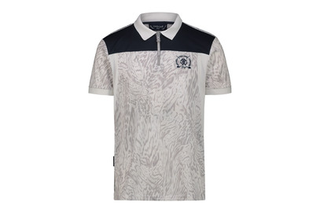 8059915752940 | 8059915752940 | RCG CLOTH ERGONOMIC POLO GREY L | ERGONOMIC POLO | GREY | ALLOVER | L | %100 POLYESTER | MAN | Turkey | 131 | 62.00 € | 165.00 €
Roberto Cavalli Golf |  | 8059915752933 | RCG CLOTH ERGONOMIC POLO GREY M | ERGONOMIC POLO | GREY | ALLOVER | M | %100 POLYESTER | MAN | Turkey | 77 | 62.00 € | 165.00 €
Roberto Cavalli Golf |  | 8059915752957 | RCG CLOTH ERGONOMIC POLO GREY XL | ERGONOMIC POLO | GREY | ALLOVER | XL | %100 POLYESTER | MAN | Turkey | 143 | 62.00 € | 165.00 €
Roberto Cavalli Golf |  | 8059915752964 | RCG CLOTH ERGONOMIC POLO GREY XXL | ERGONOMIC POLO | GREY | ALLOVER | XXL | %100 POLYESTER | MAN | Turkey | 70 | 62.00 € | 165.00 €
Roberto Cavalli Golf | 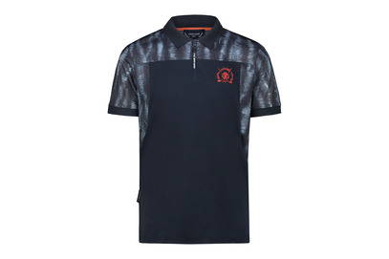 8059915752988 | 8059915752988 | RCG CLOTH ERGONOMIC POLO NAVY L | ERGONOMIC POLO | NAVY | ALLOVER | L | %100 POLYESTER | MAN | Turkey | 147 | 62.00 € | 165.00 €
Roberto Cavalli Golf |  | 8059915752971 | RCG CLOTH ERGONOMIC POLO NAVY M | ERGONOMIC POLO | NAVY | ALLOVER | M | %100 POLYESTER | MAN | Turkey | 83 | 62.00 € | 165.00 €
Roberto Cavalli Golf |  | 8059915752995 | RCG CLOTH ERGONOMIC POLO NAVY XL | ERGONOMIC POLO | NAVY | ALLOVER | XL | %100 POLYESTER | MAN | Turkey | 148 | 62.00 € | 165.00 €
Roberto Cavalli Golf |  | 8059915753008 | RCG CLOTH ERGONOMIC POLO NAVY XXL | ERGONOMIC POLO | NAVY | ALLOVER | XXL | %100 POLYESTER | MAN | Turkey | 82 | 62.00 € | 165.00 €
Roberto Cavalli Golf | 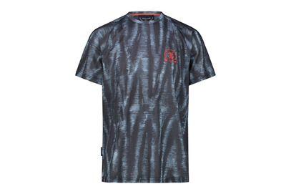 8059915752025 | 8059915752025 | RCG CLOTH ERGONOMIC T-SHIRT 0 L | ERGONOMIC T-SHIRT | 0 | ALLOVER | L | %100 POLYESTER | MAN | Turkey | 247 | 48.00 € | 130.00 €
Roberto Cavalli Golf |  | 8059915752018 | RCG CLOTH ERGONOMIC T-SHIRT 0 M | ERGONOMIC T-SHIRT | 0 | ALLOVER | M | %100 POLYESTER | MAN | Turkey | 109 | 48.00 € | 130.00 €
Roberto Cavalli Golf |  | 8059915752032 | RCG CLOTH ERGONOMIC T-SHIRT 0 XL | ERGONOMIC T-SHIRT | 0 | ALLOVER | XL | %100 POLYESTER | MAN | Turkey | 255 | 48.00 € | 130.00 €
Roberto Cavalli Golf |  | 8059915752049 | RCG CLOTH ERGONOMIC T-SHIRT 0 XXL | ERGONOMIC T-SHIRT | 0 | ALLOVER | XXL | %100 POLYESTER | MAN | Turkey | 135 | 48.00 € | 130.00 €
Roberto Cavalli Golf | 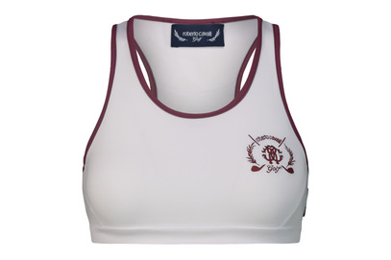 8059915753015 | 8059915753046 | RCG CLOTH TANK TOP WHITE/DARK PINK L | TANK TOP | WHITE | SOLID | L | %95 POLYESTER %5 E.A | WOMAN | Turkey | 31 | 30.00 € | 80.00 €
Roberto Cavalli Golf |  | 8059915753039 | RCG CLOTH TANK TOP WHITE/DARK PINK M | TANK TOP | WHITE | SOLID | M | %95 POLYESTER %5 E.A | WOMAN | Turkey | 41 | 30.00 € | 80.00 €
Roberto Cavalli Golf |  | 8059915753022 | RCG CLOTH TANK TOP WHITE/DARK PINK S | TANK TOP | WHITE | SOLID | S | %95 POLYESTER %5 E.A | WOMAN | Turkey | 35 | 30.00 € | 80.00 €
Roberto Cavalli Golf |  | 8059915753053 | RCG CLOTH TANK TOP WHITE/DARK PINK XL | TANK TOP | WHITE | SOLID | XL | %95 POLYESTER %5 E.A | WOMAN | Turkey | 22 | 30.00 € | 80.00 €
Roberto Cavalli Golf |  | 8059915753015 | RCG CLOTH TANK TOP WHITE/DARK PINK XS | TANK TOP | WHITE | SOLID | XS | %95 POLYESTER %5 E.A | WOMAN | Turkey | 26 | 30.00 € | 80.00 €
Roberto Cavalli Golf | 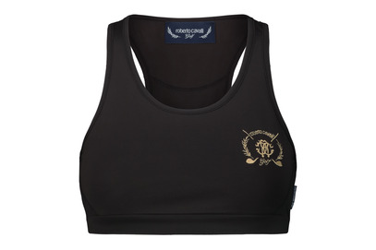 8059915753060 | 8059915753091 | RCG CLOTH TANK TOP BLACK L | TANK TOP | BLACK | SOLID | L | %95 POLYESTER %5 E.A | WOMAN | Turkey | 56 | 30.00 € | 80.00 €
Roberto Cavalli Golf |  | 8059915753084 | RCG CLOTH TANK TOP BLACK M | TANK TOP | BLACK | SOLID | M | %95 POLYESTER %5 E.A | WOMAN | Turkey | 60 | 30.00 € | 80.00 €
Roberto Cavalli Golf |  | 8059915753077 | RCG CLOTH TANK TOP BLACK S | TANK TOP | BLACK | SOLID | S | %95 POLYESTER %5 E.A | WOMAN | Turkey | 53 | 30.00 € | 80.00 €
Roberto Cavalli Golf |  | 8059915753107 | RCG CLOTH TANK TOP BLACK XL | TANK TOP | BLACK | SOLID | XL | %95 POLYESTER %5 E.A | WOMAN | Turkey | 35 | 30.00 € | 80.00 €
Roberto Cavalli Golf |  | 8059915753060 | RCG CLOTH TANK TOP BLACK XS | TANK TOP | BLACK | SOLID | XS | %95 POLYESTER %5 E.A | WOMAN | Turkey | 34 | 30.00 € | 80.00 €
Roberto Cavalli Golf | 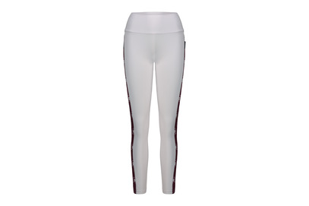 8059915753114 | 8059915753145 | RCG CLOTH LEGGINS PANTS WHITE/DARK PINK L | LEGGINS PANTS | WHITE | SOLID | L | %95 POLYESTER %5 E.A | WOMAN | Turkey | 13 | 52.00 € | 140.00 €
Roberto Cavalli Golf |  | 8059915753138 | RCG CLOTH LEGGINS PANTS WHITE/DARK PINK M | LEGGINS PANTS | WHITE | SOLID | M | %95 POLYESTER %5 E.A | WOMAN | Turkey | 46 | 52.00 € | 140.00 €
Roberto Cavalli Golf |  | 8059915753121 | RCG CLOTH LEGGINS PANTS WHITE/DARK PINK S | LEGGINS PANTS | WHITE | SOLID | S | %95 POLYESTER %5 E.A | WOMAN | Turkey | 20 | 52.00 € | 140.00 €
Roberto Cavalli Golf |  | 8059915753152 | RCG CLOTH LEGGINS PANTS WHITE/DARK PINK XL | LEGGINS PANTS | WHITE | SOLID | XL | %95 POLYESTER %5 E.A | WOMAN | Turkey | 31 | 52.00 € | 140.00 €
Roberto Cavalli Golf |  | 8059915753114 | RCG CLOTH LEGGINS PANTS WHITE/DARK PINK XS | LEGGINS PANTS | WHITE | SOLID | XS | %95 POLYESTER %5 E.A | WOMAN | Turkey | 12 | 52.00 € | 140.00 €
Roberto Cavalli Golf | 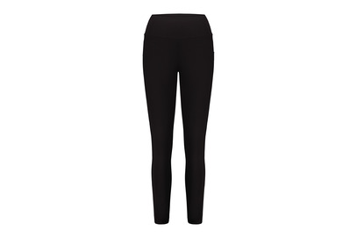 8059915753169 | 8059915753190 | RCG CLOTH LEGGINS PANTS BLACK L | LEGGINS PANTS | BLACK | SOLID | L | %95 POLYESTER %5 E.A | WOMAN | Turkey | 57 | 52.00 € | 140.00 €
Roberto Cavalli Golf |  | 8059915753183 | RCG CLOTH LEGGINS PANTS BLACK M | LEGGINS PANTS | BLACK | SOLID | M | %95 POLYESTER %5 E.A | WOMAN | Turkey | 55 | 52.00 € | 140.00 €
Roberto Cavalli Golf |  | 8059915753176 | RCG CLOTH LEGGINS PANTS BLACK S | LEGGINS PANTS | BLACK | SOLID | S | %95 POLYESTER %5 E.A | WOMAN | Turkey | 57 | 52.00 € | 140.00 €
Roberto Cavalli Golf |  | 8059915753206 | RCG CLOTH LEGGINS PANTS BLACK XL | LEGGINS PANTS | BLACK | SOLID | XL | %95 POLYESTER %5 E.A | WOMAN | Turkey | 31 | 52.00 € | 140.00 €
Roberto Cavalli Golf |  | 8059915753169 | RCG CLOTH LEGGINS PANTS BLACK XS | LEGGINS PANTS | BLACK | SOLID | XS | %95 POLYESTER %5 E.A | WOMAN | Turkey | 29 | 52.00 € | 140.00 €
Roberto Cavalli Golf | 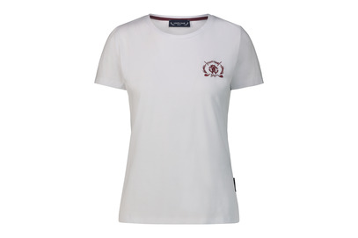 8059915753213 | 8059915753244 | RCG CLOTH T-SHIRT WHITE L | T-SHIRT | WHITE | SOLID | L | %95 COTTON %5 E.A | WOMAN | Turkey | 285 | 37.00 € | 100.00 €
Roberto Cavalli Golf |  | 8059915753237 | RCG CLOTH T-SHIRT WHITE M | T-SHIRT | WHITE | SOLID | M | %95 COTTON %5 E.A | WOMAN | Turkey | 273 | 37.00 € | 100.00 €
Roberto Cavalli Golf |  | 8059915753220 | RCG CLOTH T-SHIRT WHITE S | T-SHIRT | WHITE | SOLID | S | %95 COTTON %5 E.A | WOMAN | Turkey | 274 | 37.00 € | 100.00 €
Roberto Cavalli Golf |  | 8059915753251 | RCG CLOTH T-SHIRT WHITE XL | T-SHIRT | WHITE | SOLID | XL | %95 COTTON %5 E.A | WOMAN | Turkey | 142 | 37.00 € | 100.00 €
Roberto Cavalli Golf |  | 8059915753213 | RCG CLOTH T-SHIRT WHITE XS | T-SHIRT | WHITE | SOLID | XS | %95 COTTON %5 E.A | WOMAN | Turkey | 138 | 37.00 € | 100.00 €
Roberto Cavalli Golf | 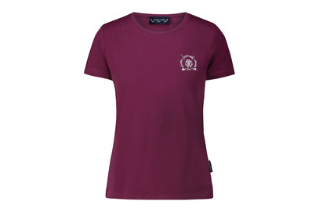 8059915753268 | 8059915753299 | RCG CLOTH T-SHIRT DARK PINK L | T-SHIRT | DARK PINK | SOLID | L | %95 COTTON %5 E.A | WOMAN | Turkey | 172 | 37.00 € | 100.00 €
Roberto Cavalli Golf |  | 8059915753282 | RCG CLOTH T-SHIRT DARK PINK M | T-SHIRT | DARK PINK | SOLID | M | %95 COTTON %5 E.A | WOMAN | Turkey | 178 | 37.00 € | 100.00 €
Roberto Cavalli Golf |  | 8059915753275 | RCG CLOTH T-SHIRT DARK PINK S | T-SHIRT | DARK PINK | SOLID | S | %95 COTTON %5 E.A | WOMAN | Turkey | 166 | 37.00 € | 100.00 €
Roberto Cavalli Golf |  | 8059915753305 | RCG CLOTH T-SHIRT DARK PINK XL | T-SHIRT | DARK PINK | SOLID | XL | %95 COTTON %5 E.A | WOMAN | Turkey | 55 | 37.00 € | 100.00 €
Roberto Cavalli Golf |  | 8059915753268 | RCG CLOTH T-SHIRT DARK PINK XS | T-SHIRT | DARK PINK | SOLID | XS | %95 COTTON %5 E.A | WOMAN | Turkey | 62 | 37.00 € | 100.00 €
Roberto Cavalli Golf | 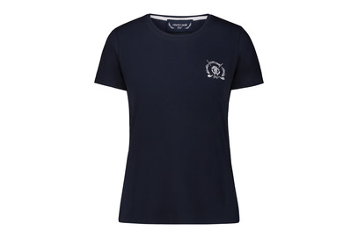 8059915753312 | 8059915753343 | RCG CLOTH T-SHIRT NAVY L | T-SHIRT | NAVY | SOLID | L | %95 COTTON %5 E.A | WOMAN | Turkey | 146 | 37.00 € | 100.00 €
Roberto Cavalli Golf |  | 8059915753336 | RCG CLOTH T-SHIRT NAVY M | T-SHIRT | NAVY | SOLID | M | %95 COTTON %5 E.A | WOMAN | Turkey | 120 | 37.00 € | 100.00 €
Roberto Cavalli Golf |  | 8059915753329 | RCG CLOTH T-SHIRT NAVY S | T-SHIRT | NAVY | SOLID | S | %95 COTTON %5 E.A | WOMAN | Turkey | 131 | 37.00 € | 100.00 €
Roberto Cavalli Golf |  | 8059915753350 | RCG CLOTH T-SHIRT NAVY XL | T-SHIRT | NAVY | SOLID | XL | %95 COTTON %5 E.A | WOMAN | Turkey | 48 | 37.00 € | 100.00 €
Roberto Cavalli Golf |  | 8059915753312 | RCG CLOTH T-SHIRT NAVY XS | T-SHIRT | NAVY | SOLID | XS | %95 COTTON %5 E.A | WOMAN | Turkey | 54 | 37.00 € | 100.00 €
Roberto Cavalli Golf | 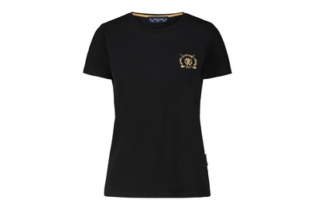 8059915753367 | 8059915753398 | RCG CLOTH T-SHIRT BLACK L | T-SHIRT | BLACK | SOLID | L | %95 COTTON %5 E.A | WOMAN | Turkey | 256 | 37.00 € | 100.00 €
Roberto Cavalli Golf |  | 8059915753381 | RCG CLOTH T-SHIRT BLACK M | T-SHIRT | BLACK | SOLID | M | %95 COTTON %5 E.A | WOMAN | Turkey | 244 | 37.00 € | 100.00 €
Roberto Cavalli Golf |  | 8059915753374 | RCG CLOTH T-SHIRT BLACK S | T-SHIRT | BLACK | SOLID | S | %95 COTTON %5 E.A | WOMAN | Turkey | 283 | 37.00 € | 100.00 €
Roberto Cavalli Golf |  | 8059915753404 | RCG CLOTH T-SHIRT BLACK XL | T-SHIRT | BLACK | SOLID | XL | %95 COTTON %5 E.A | WOMAN | Turkey | 118 | 37.00 € | 100.00 €
Roberto Cavalli Golf |  | 8059915753367 | RCG CLOTH T-SHIRT BLACK XS | T-SHIRT | BLACK | SOLID | XS | %95 COTTON %5 E.A | WOMAN | Turkey | 100 | 37.00 € | 100.00 €
Roberto Cavalli Golf | 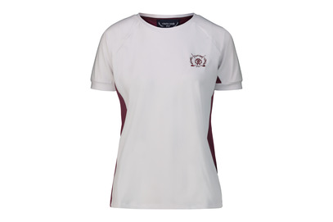 8059915753411 | 8059915753442 | RCG CLOTH ERGONOMIC T-SHIRT WHITE L | ERGONOMIC T-SHIRT | WHITE | SOLID | L | %95 POLYESTER %5 E.A | WOMAN | Turkey | 146 | 43.00 € | 115.00 €
Roberto Cavalli Golf |  | 8059915753435 | RCG CLOTH ERGONOMIC T-SHIRT WHITE M | ERGONOMIC T-SHIRT | WHITE | SOLID | M | %95 POLYESTER %5 E.A | WOMAN | Turkey | 156 | 43.00 € | 115.00 €
Roberto Cavalli Golf |  | 8059915753428 | RCG CLOTH ERGONOMIC T-SHIRT WHITE S | ERGONOMIC T-SHIRT | WHITE | SOLID | S | %95 POLYESTER %5 E.A | WOMAN | Turkey | 179 | 43.00 € | 115.00 €
Roberto Cavalli Golf |  | 8059915753459 | RCG CLOTH ERGONOMIC T-SHIRT WHITE XL | ERGONOMIC T-SHIRT | WHITE | SOLID | XL | %95 POLYESTER %5 E.A | WOMAN | Turkey | 80 | 43.00 € | 115.00 €
Roberto Cavalli Golf |  | 8059915753411 | RCG CLOTH ERGONOMIC T-SHIRT WHITE XS | ERGONOMIC T-SHIRT | WHITE | SOLID | XS | %95 POLYESTER %5 E.A | WOMAN | Turkey | 89 | 43.00 € | 115.00 €
Roberto Cavalli Golf | 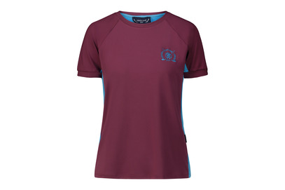 8059915753466 | 8059915753497 | RCG CLOTH ERGONOMIC T-SHIRT DARK PINK L | ERGONOMIC T-SHIRT | DARK PINK | SOLID | L | %95 POLYESTER %5 E.A | WOMAN | Turkey | 189 | 43.00 € | 115.00 €
Roberto Cavalli Golf |  | 8059915753480 | RCG CLOTH ERGONOMIC T-SHIRT DARK PINK M | ERGONOMIC T-SHIRT | DARK PINK | SOLID | M | %95 POLYESTER %5 E.A | WOMAN | Turkey | 188 | 43.00 € | 115.00 €
Roberto Cavalli Golf |  | 8059915753473 | RCG CLOTH ERGONOMIC T-SHIRT DARK PINK S | ERGONOMIC T-SHIRT | DARK PINK | SOLID | S | %95 POLYESTER %5 E.A | WOMAN | Turkey | 195 | 43.00 € | 115.00 €
Roberto Cavalli Golf |  | 8059915753503 | RCG CLOTH ERGONOMIC T-SHIRT DARK PINK XL | ERGONOMIC T-SHIRT | DARK PINK | SOLID | XL | %95 POLYESTER %5 E.A | WOMAN | Turkey | 99 | 43.00 € | 115.00 €
Roberto Cavalli Golf |  | 8059915753466 | RCG CLOTH ERGONOMIC T-SHIRT DARK PINK XS | ERGONOMIC T-SHIRT | DARK PINK | SOLID | XS | %95 POLYESTER %5 E.A | WOMAN | Turkey | 103 | 43.00 € | 115.00 €
Roberto Cavalli Golf | 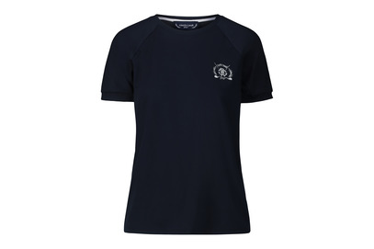 8059915753510 | 8059915753541 | RCG CLOTH ERGONOMIC T-SHIRT NAVY L | ERGONOMIC T-SHIRT | NAVY | SOLID | L | %95 POLYESTER %5 E.A | WOMAN | Turkey | 183 | 43.00 € | 115.00 €
Roberto Cavalli Golf |  | 8059915753534 | RCG CLOTH ERGONOMIC T-SHIRT NAVY M | ERGONOMIC T-SHIRT | NAVY | SOLID | M | %95 POLYESTER %5 E.A | WOMAN | Turkey | 193 | 43.00 € | 115.00 €
Roberto Cavalli Golf |  | 8059915753527 | RCG CLOTH ERGONOMIC T-SHIRT NAVY S | ERGONOMIC T-SHIRT | NAVY | SOLID | S | %95 POLYESTER %5 E.A | WOMAN | Turkey | 198 | 43.00 € | 115.00 €
Roberto Cavalli Golf |  | 8059915753558 | RCG CLOTH ERGONOMIC T-SHIRT NAVY XL | ERGONOMIC T-SHIRT | NAVY | SOLID | XL | %95 POLYESTER %5 E.A | WOMAN | Turkey | 97 | 43.00 € | 115.00 €
Roberto Cavalli Golf |  | 8059915753510 | RCG CLOTH ERGONOMIC T-SHIRT NAVY XS | ERGONOMIC T-SHIRT | NAVY | SOLID | XS | %95 POLYESTER %5 E.A | WOMAN | Turkey | 90 | 43.00 € | 115.00 €
Roberto Cavalli Golf | 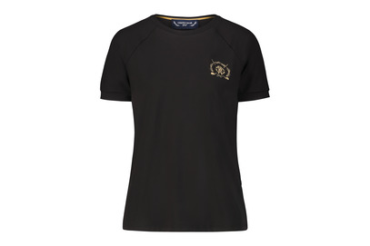 8059915753565 | 8059915753596 | RCG CLOTH ERGONOMIC T-SHIRT BLACK L | ERGONOMIC T-SHIRT | BLACK | SOLID | L | %95 POLYESTER %5 E.A | WOMAN | Turkey | 257 | 43.00 € | 115.00 €
Roberto Cavalli Golf |  | 8059915753589 | RCG CLOTH ERGONOMIC T-SHIRT BLACK M | ERGONOMIC T-SHIRT | BLACK | SOLID | M | %95 POLYESTER %5 E.A | WOMAN | Turkey | 275 | 43.00 € | 115.00 €
Roberto Cavalli Golf |  | 8059915753572 | RCG CLOTH ERGONOMIC T-SHIRT BLACK S | ERGONOMIC T-SHIRT | BLACK | SOLID | S | %95 POLYESTER %5 E.A | WOMAN | Turkey | 265 | 43.00 € | 115.00 €
Roberto Cavalli Golf |  | 8059915753602 | RCG CLOTH ERGONOMIC T-SHIRT BLACK XL | ERGONOMIC T-SHIRT | BLACK | SOLID | XL | %95 POLYESTER %5 E.A | WOMAN | Turkey | 162 | 43.00 € | 115.00 €
Roberto Cavalli Golf |  | 8059915753565 | RCG CLOTH ERGONOMIC T-SHIRT BLACK XS | ERGONOMIC T-SHIRT | BLACK | SOLID | XS | %95 POLYESTER %5 E.A | WOMAN | Turkey | 133 | 43.00 € | 115.00 €
Roberto Cavalli Golf | 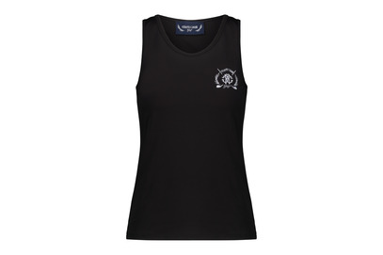 8059915753619 | 8059915753640 | RCG CLOTH TANK TOP BLACK L | TANK TOP | BLACK | SOLID | L | %95 POLYESTER %5 E.A | WOMAN | Turkey | 121 | 30.00 € | 80.00 €
Roberto Cavalli Golf |  | 8059915753633 | RCG CLOTH TANK TOP BLACK M | TANK TOP | BLACK | SOLID | M | %95 POLYESTER %5 E.A | WOMAN | Turkey | 128 | 30.00 € | 80.00 €
Roberto Cavalli Golf |  | 8059915753626 | RCG CLOTH TANK TOP BLACK S | TANK TOP | BLACK | SOLID | S | %95 POLYESTER %5 E.A | WOMAN | Turkey | 123 | 30.00 € | 80.00 €
Roberto Cavalli Golf |  | 8059915753657 | RCG CLOTH TANK TOP BLACK XL | TANK TOP | BLACK | SOLID | XL | %95 POLYESTER %5 E.A | WOMAN | Turkey | 58 | 30.00 € | 80.00 €
Roberto Cavalli Golf |  | 8059915753619 | RCG CLOTH TANK TOP BLACK XS | TANK TOP | BLACK | SOLID | XS | %95 POLYESTER %5 E.A | WOMAN | Turkey | 66 | 30.00 € | 80.00 €
Roberto Cavalli Golf | 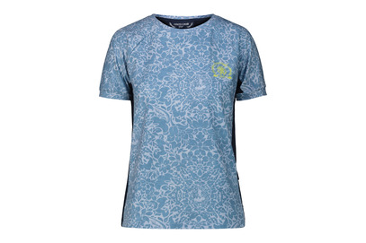 8059915753664 | 8059915753695 | RCG CLOTH ERGONOMIC T-SHIRT LIGHT BLUE L | ERGONOMIC T-SHIRT | LIGHT BLUE | ALLOVER | L | %95 POLYESTER %5 E.A | WOMAN | Turkey | 52 | 48.00 € | 130.00 €
Roberto Cavalli Golf |  | 8059915753688 | RCG CLOTH ERGONOMIC T-SHIRT LIGHT BLUE M | ERGONOMIC T-SHIRT | LIGHT BLUE | ALLOVER | M | %95 POLYESTER %5 E.A | WOMAN | Turkey | 62 | 48.00 € | 130.00 €
Roberto Cavalli Golf |  | 8059915753671 | RCG CLOTH ERGONOMIC T-SHIRT LIGHT BLUE S | ERGONOMIC T-SHIRT | LIGHT BLUE | ALLOVER | S | %95 POLYESTER %5 E.A | WOMAN | Turkey | 62 | 48.00 € | 130.00 €
Roberto Cavalli Golf |  | 8059915753701 | RCG CLOTH ERGONOMIC T-SHIRT LIGHT BLUE XL | ERGONOMIC T-SHIRT | LIGHT BLUE | ALLOVER | XL | %95 POLYESTER %5 E.A | WOMAN | Turkey | 34 | 48.00 € | 130.00 €
Roberto Cavalli Golf |  | 8059915753664 | RCG CLOTH ERGONOMIC T-SHIRT LIGHT BLUE XS | ERGONOMIC T-SHIRT | LIGHT BLUE | ALLOVER | XS | %95 POLYESTER %5 E.A | WOMAN | Turkey | 31 | 48.00 € | 130.00 €
Roberto Cavalli Golf | 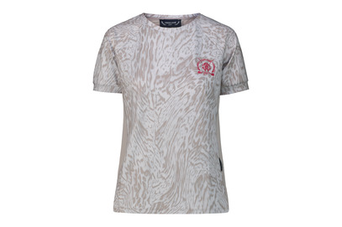 8059915753718 | 8059915753749 | RCG CLOTH ERGONOMIC T-SHIRT GREY L | ERGONOMIC T-SHIRT | GREY | ALLOVER | L | %95 POLYESTER %5 E.A | WOMAN | Turkey | 59 | 48.00 € | 130.00 €
Roberto Cavalli Golf |  | 8059915753732 | RCG CLOTH ERGONOMIC T-SHIRT GREY M | ERGONOMIC T-SHIRT | GREY | ALLOVER | M | %95 POLYESTER %5 E.A | WOMAN | Turkey | 60 | 48.00 € | 130.00 €
Roberto Cavalli Golf |  | 8059915753725 | RCG CLOTH ERGONOMIC T-SHIRT GREY S | ERGONOMIC T-SHIRT | GREY | ALLOVER | S | %95 POLYESTER %5 E.A | WOMAN | Turkey | 58 | 48.00 € | 130.00 €
Roberto Cavalli Golf |  | 8059915753756 | RCG CLOTH ERGONOMIC T-SHIRT GREY XL | ERGONOMIC T-SHIRT | GREY | ALLOVER | XL | %95 POLYESTER %5 E.A | WOMAN | Turkey | 33 | 48.00 € | 130.00 €
Roberto Cavalli Golf |  | 8059915753718 | RCG CLOTH ERGONOMIC T-SHIRT GREY XS | ERGONOMIC T-SHIRT | GREY | ALLOVER | XS | %95 POLYESTER %5 E.A | WOMAN | Turkey | 36 | 48.00 € | 130.00 €
Roberto Cavalli Golf | 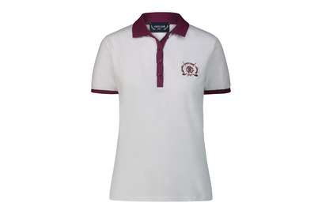 8059915753763 | 8059915753794 | RCG CLOTH POLO WHITE L | POLO | WHITE | SOLID | L | %95 POLYESTER %5 E.A | WOMAN | Turkey | 72 | 54.00 € | 145.00 €
Roberto Cavalli Golf |  | 8059915753787 | RCG CLOTH POLO WHITE M | POLO | WHITE | SOLID | M | %95 POLYESTER %5 E.A | WOMAN | Turkey | 89 | 54.00 € | 145.00 €
Roberto Cavalli Golf |  | 8059915753770 | RCG CLOTH POLO WHITE S | POLO | WHITE | SOLID | S | %95 POLYESTER %5 E.A | WOMAN | Turkey | 60 | 54.00 € | 145.00 €
Roberto Cavalli Golf |  | 8059915753800 | RCG CLOTH POLO WHITE XL | POLO | WHITE | SOLID | XL | %95 POLYESTER %5 E.A | WOMAN | Turkey | 29 | 54.00 € | 145.00 €
Roberto Cavalli Golf |  | 8059915753763 | RCG CLOTH POLO WHITE XS | POLO | WHITE | SOLID | XS | %95 POLYESTER %5 E.A | WOMAN | Turkey | 45 | 54.00 € | 145.00 €
Roberto Cavalli Golf | 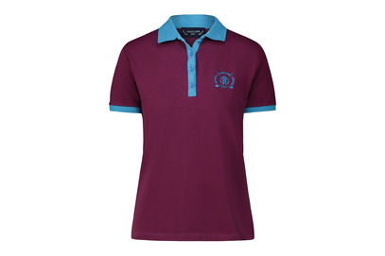 8059915753817 | 8059915753848 | RCG CLOTH POLO DARK PINK L | POLO | DARK PINK | SOLID | L | %95 COTTON %5 E.A | WOMAN | Turkey | 83 | 54.00 € | 145.00 €
Roberto Cavalli Golf |  | 8059915753831 | RCG CLOTH POLO DARK PINK M | POLO | DARK PINK | SOLID | M | %95 COTTON %5 E.A | WOMAN | Turkey | 85 | 54.00 € | 145.00 €
Roberto Cavalli Golf |  | 8059915753824 | RCG CLOTH POLO DARK PINK S | POLO | DARK PINK | SOLID | S | %95 COTTON %5 E.A | WOMAN | Turkey | 86 | 54.00 € | 145.00 €
Roberto Cavalli Golf |  | 8059915753855 | RCG CLOTH POLO DARK PINK XL | POLO | DARK PINK | SOLID | XL | %95 COTTON %5 E.A | WOMAN | Turkey | 45 | 54.00 € | 145.00 €
Roberto Cavalli Golf |  | 8059915753817 | RCG CLOTH POLO DARK PINK XS | POLO | DARK PINK | SOLID | XS | %95 COTTON %5 E.A | WOMAN | Turkey | 43 | 54.00 € | 145.00 €
Roberto Cavalli Golf |  8059915753862 | 8059915753893 | RCG CLOTH POLO NAVY L | POLO | NAVY | SOLID | L | %95 POLYESTER %5 E.A | WOMAN | Turkey | 71 | 54.00 € | 145.00 €
Roberto Cavalli Golf |  | 8059915753886 | RCG CLOTH POLO NAVY M | POLO | NAVY | SOLID | M | %95 POLYESTER %5 E.A | WOMAN | Turkey | 63 | 54.00 € | 145.00 €
Roberto Cavalli Golf |  | 8059915753879 | RCG CLOTH POLO NAVY S | POLO | NAVY | SOLID | S | %95 POLYESTER %5 E.A | WOMAN | Turkey | 56 | 54.00 € | 145.00 €
Roberto Cavalli Golf |  | 8059915753909 | RCG CLOTH POLO NAVY XL | POLO | NAVY | SOLID | XL | %95 POLYESTER %5 E.A | WOMAN | Turkey | 35 | 54.00 € | 145.00 €
Roberto Cavalli Golf |  | 8059915753862 | RCG CLOTH POLO NAVY XS | POLO | NAVY | SOLID | XS | %95 POLYESTER %5 E.A | WOMAN | Turkey | 33 | 54.00 € | 145.00 €
Roberto Cavalli Golf |  8059915753916 | 8059915753947 | RCG CLOTH POLO BLACK L | POLO | BLACK | SOLID | L | %95 COTTON %5 E.A | WOMAN | Turkey | 73 | 54.00 € | 145.00 €
Roberto Cavalli Golf |  | 8059915753930 | RCG CLOTH POLO BLACK M | POLO | BLACK | SOLID | M | %95 COTTON %5 E.A | WOMAN | Turkey | 70 | 54.00 € | 145.00 €
Roberto Cavalli Golf |  | 8059915753923 | RCG CLOTH POLO BLACK S | POLO | BLACK | SOLID | S | %95 COTTON %5 E.A | WOMAN | Turkey | 54 | 54.00 € | 145.00 €
Roberto Cavalli Golf |  | 8059915753954 | RCG CLOTH POLO BLACK XL | POLO | BLACK | SOLID | XL | %95 COTTON %5 E.A | WOMAN | Turkey | 36 | 54.00 € | 145.00 €
Roberto Cavalli Golf |  | 8059915753916 | RCG CLOTH POLO BLACK XS | POLO | BLACK | SOLID | XS | %95 COTTON %5 E.A | WOMAN | Turkey | 35 | 54.00 € | 145.00 €
Roberto Cavalli Golf |  8059915753961 | 8059915753992 | RCG CLOTH ERGONOMIC POLO WHITE L | ERGONOMIC POLO | WHITE | SOLID | L | %95 POLYESTER %5 E.A | WOMAN | Turkey | 92 | 56.00 € | 150.00 €
Roberto Cavalli Golf |  | 8059915753985 | RCG CLOTH ERGONOMIC POLO WHITE M | ERGONOMIC POLO | WHITE | SOLID | M | %95 POLYESTER %5 E.A | WOMAN | Turkey | 112 | 56.00 € | 150.00 €
Roberto Cavalli Golf |  | 8059915753978 | RCG CLOTH ERGONOMIC POLO WHITE S | ERGONOMIC POLO | WHITE | SOLID | S | %95 POLYESTER %5 E.A | WOMAN | Turkey | 123 | 56.00 € | 150.00 €
Roberto Cavalli Golf |  | 8059915754005 | RCG CLOTH ERGONOMIC POLO WHITE XL | ERGONOMIC POLO | WHITE | SOLID | XL | %95 POLYESTER %5 E.A | WOMAN | Turkey | 57 | 56.00 € | 150.00 €
Roberto Cavalli Golf |  | 8059915753961 | RCG CLOTH ERGONOMIC POLO WHITE XS | ERGONOMIC POLO | WHITE | SOLID | XS | %95 POLYESTER %5 E.A | WOMAN | Turkey | 75 | 56.00 € | 150.00 €
Roberto Cavalli Golf |  8059915754012 | 8059915754043 | RCG CLOTH ERGONOMIC POLO NAVY L | ERGONOMIC POLO | NAVY | SOLID | L | %95 POLYESTER %5 E.A | WOMAN | Turkey | 136 | 56.00 € | 150.00 €
Roberto Cavalli Golf |  | 8059915754036 | RCG CLOTH ERGONOMIC POLO NAVY M | ERGONOMIC POLO | NAVY | SOLID | M | %95 POLYESTER %5 E.A | WOMAN | Turkey | 133 | 56.00 € | 150.00 €
Roberto Cavalli Golf |  | 8059915754029 | RCG CLOTH ERGONOMIC POLO NAVY S | ERGONOMIC POLO | NAVY | SOLID | S | %95 POLYESTER %5 E.A | WOMAN | Turkey | 171 | 56.00 € | 150.00 €
Roberto Cavalli Golf |  | 8059915754050 | RCG CLOTH ERGONOMIC POLO NAVY XL | ERGONOMIC POLO | NAVY | SOLID | XL | %95 POLYESTER %5 E.A | WOMAN | Turkey | 82 | 56.00 € | 150.00 €
Roberto Cavalli Golf |  | 8059915754012 | RCG CLOTH ERGONOMIC POLO NAVY XS | ERGONOMIC POLO | NAVY | SOLID | XS | %95 POLYESTER %5 E.A | WOMAN | Turkey | 96 | 56.00 € | 150.00 €
Roberto Cavalli Golf |  8059915754067 | 8059915754098 | RCG CLOTH ERGONOMIC POLO WHITE L | ERGONOMIC POLO | WHITE | SOLID | L | %95 POLYESTER %5 E.A | WOMAN | Turkey | 93 | 56.00 € | 150.00 €
Roberto Cavalli Golf |  | 8059915754081 | RCG CLOTH ERGONOMIC POLO WHITE M | ERGONOMIC POLO | WHITE | SOLID | M | %95 POLYESTER %5 E.A | WOMAN | Turkey | 120 | 56.00 € | 150.00 €
Roberto Cavalli Golf |  | 8059915754074 | RCG CLOTH ERGONOMIC POLO WHITE S | ERGONOMIC POLO | WHITE | SOLID | S | %95 POLYESTER %5 E.A | WOMAN | Turkey | 99 | 56.00 € | 150.00 €
Roberto Cavalli Golf |  | 8059915754104 | RCG CLOTH ERGONOMIC POLO WHITE XL | ERGONOMIC POLO | WHITE | SOLID | XL | %95 POLYESTER %5 E.A | WOMAN | Turkey | 36 | 56.00 € | 150.00 €
Roberto Cavalli Golf |  | 8059915754067 | RCG CLOTH ERGONOMIC POLO WHITE XS | ERGONOMIC POLO | WHITE | SOLID | XS | %95 POLYESTER %5 E.A | WOMAN | Turkey | 44 | 56.00 € | 150.00 €
Roberto Cavalli Golf |  8059915754111 | 8059915754142 | RCG CLOTH ERGONOMIC POLO DARK PINK L | ERGONOMIC POLO | DARK PINK | SOLID | L | %95 POLYESTER %5 E.A | WOMAN | Turkey | 93 | 56.00 € | 150.00 €
Roberto Cavalli Golf |  | 8059915754135 | RCG CLOTH ERGONOMIC POLO DARK PINK M | ERGONOMIC POLO | DARK PINK | SOLID | M | %95 POLYESTER %5 E.A | WOMAN | Turkey | 72 | 56.00 € | 150.00 €
Roberto Cavalli Golf |  | 8059915754128 | RCG CLOTH ERGONOMIC POLO DARK PINK S | ERGONOMIC POLO | DARK PINK | SOLID | S | %95 POLYESTER %5 E.A | WOMAN | Turkey | 77 | 56.00 € | 150.00 €
Roberto Cavalli Golf |  | 8059915754159 | RCG CLOTH ERGONOMIC POLO DARK PINK XL | ERGONOMIC POLO | DARK PINK | SOLID | XL | %95 POLYESTER %5 E.A | WOMAN | Turkey | 40 | 56.00 € | 150.00 €
Roberto Cavalli Golf |  | 8059915754111 | RCG CLOTH ERGONOMIC POLO DARK PINK XS | ERGONOMIC POLO | DARK PINK | SOLID | XS | %95 POLYESTER %5 E.A | WOMAN | Turkey | 44 | 56.00 € | 150.00 €
Roberto Cavalli Golf |  8059915754166 | 8059915754197 | RCG CLOTH ERGONOMIC POLO NAVY L | ERGONOMIC POLO | NAVY | SOLID | L | %95 POLYESTER %5 E.A | WOMAN | Turkey | 75 | 56.00 € | 150.00 €
Roberto Cavalli Golf |  | 8059915754180 | RCG CLOTH ERGONOMIC POLO NAVY M | ERGONOMIC POLO | NAVY | SOLID | M | %95 POLYESTER %5 E.A | WOMAN | Turkey | 76 | 56.00 € | 150.00 €
Roberto Cavalli Golf |  | 8059915754173 | RCG CLOTH ERGONOMIC POLO NAVY S | ERGONOMIC POLO | NAVY | SOLID | S | %95 POLYESTER %5 E.A | WOMAN | Turkey | 74 | 56.00 € | 150.00 €
Roberto Cavalli Golf |  | 8059915754203 | RCG CLOTH ERGONOMIC POLO NAVY XL | ERGONOMIC POLO | NAVY | SOLID | XL | %95 POLYESTER %5 E.A | WOMAN | Turkey | 37 | 56.00 € | 150.00 €
Roberto Cavalli Golf |  | 8059915754166 | RCG CLOTH ERGONOMIC POLO NAVY XS | ERGONOMIC POLO | NAVY | SOLID | XS | %95 POLYESTER %5 E.A | WOMAN | Turkey | 40 | 56.00 € | 150.00 €
Roberto Cavalli Golf |  8059915754210 | 8059915754241 | RCG CLOTH ERGONOMIC POLO BLACK L | ERGONOMIC POLO | BLACK | SOLID | L | %95 POLYESTER %5 E.A | WOMAN | Turkey | 161 | 56.00 € | 150.00 €
Roberto Cavalli Golf |  | 8059915754234 | RCG CLOTH ERGONOMIC POLO BLACK M | ERGONOMIC POLO | BLACK | SOLID | M | %95 POLYESTER %5 E.A | WOMAN | Turkey | 118 | 56.00 € | 150.00 €
Roberto Cavalli Golf |  | 8059915754227 | RCG CLOTH ERGONOMIC POLO BLACK S | ERGONOMIC POLO | BLACK | SOLID | S | %95 POLYESTER %5 E.A | WOMAN | Turkey | 175 | 56.00 € | 150.00 €
Roberto Cavalli Golf |  | 8059915754258 | RCG CLOTH ERGONOMIC POLO BLACK XL | ERGONOMIC POLO | BLACK | SOLID | XL | %95 POLYESTER %5 E.A | WOMAN | Turkey | 65 | 56.00 € | 150.00 €
Roberto Cavalli Golf |  | 8059915754210 | RCG CLOTH ERGONOMIC POLO BLACK XS | ERGONOMIC POLO | BLACK | SOLID | XS | %95 POLYESTER %5 E.A | WOMAN | Turkey | 108 | 56.00 € | 150.00 €
Roberto Cavalli Golf |  8059915754265 | 8059915754296 | RCG CLOTH ERGONOMIC POLO LIGHT BLUE L | ERGONOMIC POLO | LIGHT BLUE | ALLOVER | L | %95 POLYESTER %5 E.A | WOMAN | Turkey | 60 | 62.00 € | 165.00 €
Roberto Cavalli Golf |  | 8059915754289 | RCG CLOTH ERGONOMIC POLO LIGHT BLUE M | ERGONOMIC POLO | LIGHT BLUE | ALLOVER | M | %95 POLYESTER %5 E.A | WOMAN | Turkey | 50 | 62.00 € | 165.00 €
Roberto Cavalli Golf |  | 8059915754272 | RCG CLOTH ERGONOMIC POLO LIGHT BLUE S | ERGONOMIC POLO | LIGHT BLUE | ALLOVER | S | %95 POLYESTER %5 E.A | WOMAN | Turkey | 56 | 62.00 € | 165.00 €
Roberto Cavalli Golf |  | 8059915754302 | RCG CLOTH ERGONOMIC POLO LIGHT BLUE XL | ERGONOMIC POLO | LIGHT BLUE | ALLOVER | XL | %95 POLYESTER %5 E.A | WOMAN | Turkey | 34 | 62.00 € | 165.00 €
Roberto Cavalli Golf |  | 8059915754265 | RCG CLOTH ERGONOMIC POLO LIGHT BLUE XS | ERGONOMIC POLO | LIGHT BLUE | ALLOVER | XS | %95 POLYESTER %5 E.A | WOMAN | Turkey | 36 | 62.00 € | 165.00 €
Roberto Cavalli Golf |  8059915754319 | 8059915754340 | RCG CLOTH ERGONOMIC POLO GREY L | ERGONOMIC POLO | GREY | ALLOVER | L | %95 POLYESTER %5 E.A | WOMAN | Turkey | 44 | 62.00 € | 165.00 €
Roberto Cavalli Golf |  | 8059915754333 | RCG CLOTH ERGONOMIC POLO GREY M | ERGONOMIC POLO | GREY | ALLOVER | M | %95 POLYESTER %5 E.A | WOMAN | Turkey | 40 | 62.00 € | 165.00 €
Roberto Cavalli Golf |  | 8059915754326 | RCG CLOTH ERGONOMIC POLO GREY S | ERGONOMIC POLO | GREY | ALLOVER | S | %95 POLYESTER %5 E.A | WOMAN | Turkey | 41 | 62.00 € | 165.00 €
Roberto Cavalli Golf |  | 8059915754357 | RCG CLOTH ERGONOMIC POLO GREY XL | ERGONOMIC POLO | GREY | ALLOVER | XL | %95 POLYESTER %5 E.A | WOMAN | Turkey | 28 | 62.00 € | 165.00 €
Roberto Cavalli Golf |  | 8059915754319 | RCG CLOTH ERGONOMIC POLO GREY XS | ERGONOMIC POLO | GREY | ALLOVER | XS | %95 POLYESTER %5 E.A | WOMAN | Turkey | 31 | 62.00 € | 165.00 €
Roberto Cavalli Golf |  8059915754364 | 8059915754395 | RCG CLOTH ERGONOMIC POLO PINK L | ERGONOMIC POLO | PINK | ALLOVER | L | %95 POLYESTER %5 E.A | WOMAN | Turkey | 45 | 62.00 € | 165.00 €
Roberto Cavalli Golf |  | 8059915754388 | RCG CLOTH ERGONOMIC POLO PINK M | ERGONOMIC POLO | PINK | ALLOVER | M | %95 POLYESTER %5 E.A | WOMAN | Turkey | 43 | 62.00 € | 165.00 €
Roberto Cavalli Golf |  | 8059915754371 | RCG CLOTH ERGONOMIC POLO PINK S | ERGONOMIC POLO | PINK | ALLOVER | S | %95 POLYESTER %5 E.A | WOMAN | Turkey | 40 | 62.00 € | 165.00 €
Roberto Cavalli Golf |  | 8059915754401 | RCG CLOTH ERGONOMIC POLO PINK XL | ERGONOMIC POLO | PINK | ALLOVER | XL | %95 POLYESTER %5 E.A | WOMAN | Turkey | 9 | 62.00 € | 165.00 €
Roberto Cavalli Golf |  | 8059915754364 | RCG CLOTH ERGONOMIC POLO PINK XS | ERGONOMIC POLO | PINK | ALLOVER | XS | %95 POLYESTER %5 E.A | WOMAN | Turkey | 32 | 62.00 € | 165.00 €

